Лист1
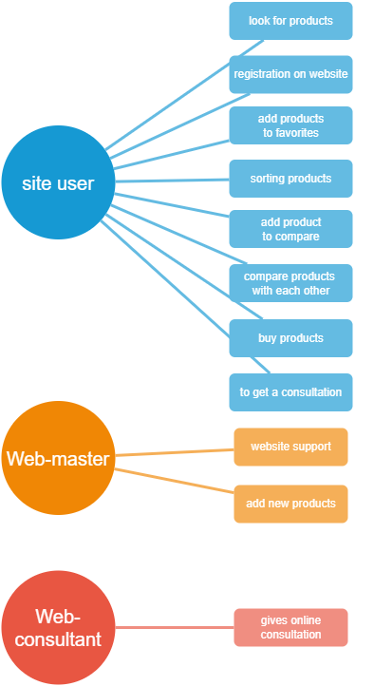
12.Create Use case diagram for your website | Scenario testing
 |  | Step | Description
 | Main positive scenario | 1 | Open website pixel-cente.ru
 |  | 2 | Registration on website:
 |  |  | - enter registration data. If the information is valid - user is registered.
 |  | 3 | The user selects multiple products and adds them for comparison
 |  | 4 | User select more sutible product and adds it to cart
 |  | 5 | User buys this product
 |  | 6 | If the user has some qustion he click the botton "Pixel-Consultant"

 | Negative | 2a | if information is invalid - system must show an error message
 |  | 5a | if the product is out of stock, the system displays an error message

